BOM
Item | Part Number | Thumbnail | QTY | Stock Number | Description | REV
1 | X_Carriage_Plate | 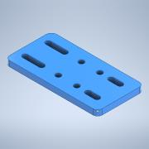 | 1
2 | 11mm_BearingWheel | 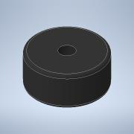 | 2
3 | 4mm_Roller_Spacer_extended | 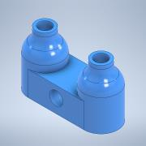 | 2
4 | F606ZZFlanged | 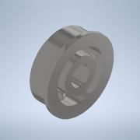 | 4
5 | 685ZZFlanged_Adapter | 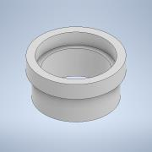 | 4
6 | Bolt M5 45mm | 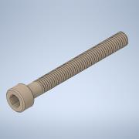 | 4

